Sheet1
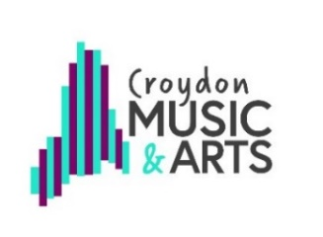
RSL Star Award 3

TEACHER NAME:
Use one tracking document per lessons (individual or small group).
Tick/compete each box once the objective is fully achieved in a lesson. See full RSL Star Award criteria for explantion of headings.

Student details |  | Technical/ Performance |  |  |  |  | Creative/ Theory |  |  |  | Tasks |  |  | Completion Date
Forename | Surname | Star 3 instrumental technique and range | Use of different keys, major and minor | Articulation: Slurs and ties. Contrast within one piece | Improvise with a sense of phrasing | Improvise in major and minor keys | Identify structures eg. ABA | Understand how tonality affects character of music | Understand how articulation affects character | Play in at least 3 different time signatures | Take a leadershoip role in working with others | Contribute to a performance at an event | Formal Arts Tradition research | Date completed, for teacher reference

Teacher Declaration

All work is the students’ own and I can confirm that my assessments are an accurate record of work completed by the student
over the course of the programme of study.

 | Signed |  |  |  |  |  |  |  | Date

